Bank Accts Fields Instructions
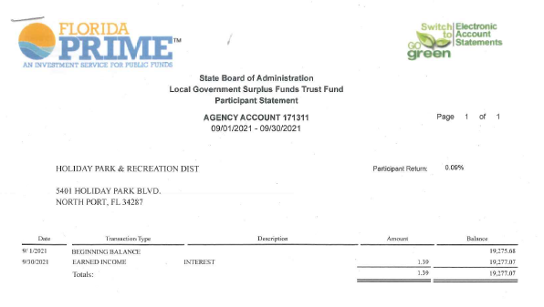
Bank Account Fields Intructions:

Bank Accounts | Carry Over | October | November | December | January | February | March | April | May | June | July | August | September
State Restricted Acct Fund "A" | 19,275.68 | Enter the Ending Balance from the Florida Prime Statemant. For Oct. enter the statement from Sept. For Nov. statement from Oct. Etc.
Centennial Restricted Acct 0473 | 902,813.60 | First Reconcile the bank statement for this acct #0473. Enter info. into the Restricted Reserve running totals wksh. The total in the Balance column goes in this row.
Subtotal of Restricted Funds | 922,089.28 | 0.00 | 0.00 | 0.00 | 0.00 | 0.00 | 0.00 | 0.00 | 0.00 | 0.00 | 0.00 | 0.00 | 0.00
Interest Unrestricted in Restricted Funds | 27,267.18 | In this row you will enter the Total from the Excess and Interest Column.
Total in Restricted Funds | 949,356.46 | 0.00 | 0.00 | 0.00 | 0.00 | 0.00 | 0.00 | 0.00 | 0.00 | 0.00 | 0.00 | 0.00 | 0.00

Centennial Bank Operating | 211,188.97 | Enter Registar Balance as of (Last day of Month) from the Reconcilition Summary Acct # 9512
Centennial Bank Money Market UNREST | 27,499.65 | Enter Registar Balance as of (Last day of Month) from the Reconcilition Summary Acct # 8727
Total Unrest | 238,688.62 | 0.00 | 0.00 | 0.00 | 0.00 | 0.00 | 0.00 | 0.00 | 0.00 | 0.00 | 0.00 | 0.00 | 0.00
Grand total Rest and Unrest funds | 1,188,045.08 | 0.00 | 0.00 | 0.00 | 0.00 | 0.00 | 0.00 | 0.00 | 0.00 | 0.00 | 0.00 | 0.00 | 0.00

Restricted Reserves Running Totals Worksheet:

Register Balance as of (Last day of the month) enter here.

Montly Increases and/ or decreases recorded in the columns here.

After Entering the monthly increases and/ or deceases on the Restricted Reserves Running Totals Worksheet you will need to enter the Register Balance from the Reconcilliation Summary. Next enter the total from the Balance column and the total from the Excess and Interest column up above.

